Sheet1
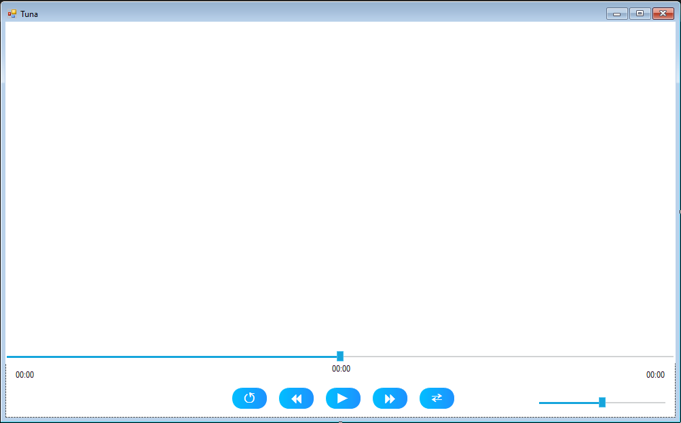

Search...

Home
Playlists
Artists
Albums
Genres

Fish For Song Info

Add To Playlist

Import New File

Export Songs
Recently Added

Recently Played
Sync To Cloud
Top Songs

Song Name
Artist

